Table 1

Selected Acquisition Report (SAR)
RCS: DD-A&T(Q&A)823-456

Next Generation Operational Control System (OCX)
As of FY 2017 President's Budget
Defense Acquisition Management Information Retrieval
(DAMIR)

Table 9
Schedule
Schedule Events
Events | SAR Baseline Development Estimate | Current APB Development Objective/Threshold |  | Current Estimate
Development Contract Award | Feb 2010 | Feb 2010 | Feb 2010 | Feb 2010
Block 1 and 2 PDR | Aug 2011 | Aug 2011 | Aug 2011 | Aug 2011
Milestone B | Nov 2012 | Nov 2012 | Nov 2012 | Nov 2012
Block 0 (LCS Delivery) | Nov 2014 | Apr 2016 | Oct 2016 | Sep 20171
Milestone C | Oct 2015 | Jul 2018 | Jan 2019 | Jul 20201
Block 1 RTO | Oct 2016 | Jul 2019 | Jul 2020 | Jul 20211
Block 2 RTO | Jun 2017 | Jul 2020 | Jul 2021 | Jul 20221
1 APB Breach
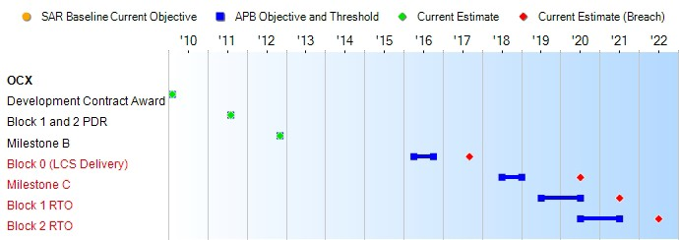
(Ch-1)
(Ch-2)
(Ch-2)
(Ch-2)
Change Explanations
(Ch-1) The current estimate for Block 0 changed from February 2016 to September 2017 as a result of time required to resolve excessive deficiency reports.
(Ch-2) The current estimate for Milestone C changed from July 2018 to July 2020, the current estimate for Block 1 RTO changed from July 2019 to July 2021 and the current estimate for Block 2 RTO changed from July 2020 to July 2022 as a result of poor contractor performance.
Notes
RTO will be achieved when the Control Segment can support GPS III SV01-10 and operational Block II satellites, can monitor broadcast GPS navigation signals, and can support NAVWAR mission planning by JSpOC. At RTO, the system is turned over to the operational community.

Table 23
Unit Cost History
Item |  |  |  |  | Date |  |  | BY 2012 $M |  |  |  |  | TY $M
 |  |  |  |  |  |  |  | PAUC |  | APUC |  |  | PAUC |  |  | APUC

Original APB |  |  | Nov 2012 |  |  |  |  | 3347.200 |  |  | N/A |  |  | 3413.000 |  |  | N/A
APB as of January 2006 |  |  | N/A |  |  |  |  | N/A |  |  | N/A |  |  | N/A |  |  | N/A
Revised Original APB |  |  | N/A |  |  |  |  | N/A |  |  | N/A |  |  | N/A |  |  | N/A
Prior APB |  |  | Nov 2012 |  |  |  |  | 3347.200 |  |  | N/A |  |  | 3413.000 |  |  | N/A
Current APB |  |  | Oct 2015 |  |  |  |  | 3839.300 |  |  | N/A |  |  | 3964.400 |  |  | N/A
Prior Annual SAR |  |  | Dec 2014 |  |  |  |  | 3521.000 |  |  | N/A |  |  | 3602.600 |  |  | N/A
Current Estimate |  |  | Dec 2015 |  |  |  |  | 4056.500 |  |  | N/A |  |  | 4189.000 |  |  | N/A
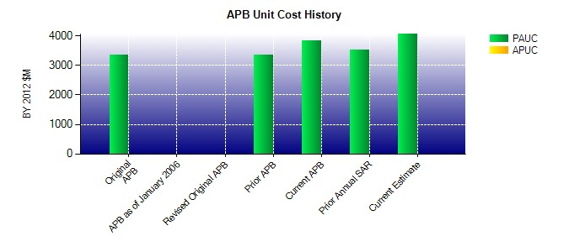
SAR Unit Cost History
Current SAR Baseline to Current Estimate (TY $M)
Initial PAUC Development Estimate | Changes |  |  |  |  |  |  |  |  |  |  |  |  |  | PAUC Current Estimate
 | Econ | Qty |  | Sch |  | Eng | Est |  | Oth | Spt |  | Total
3413.000 -25.800 0.000 0.000 0.000 801.800 0.000 0.000 776.000 4189.000

